Sheet1
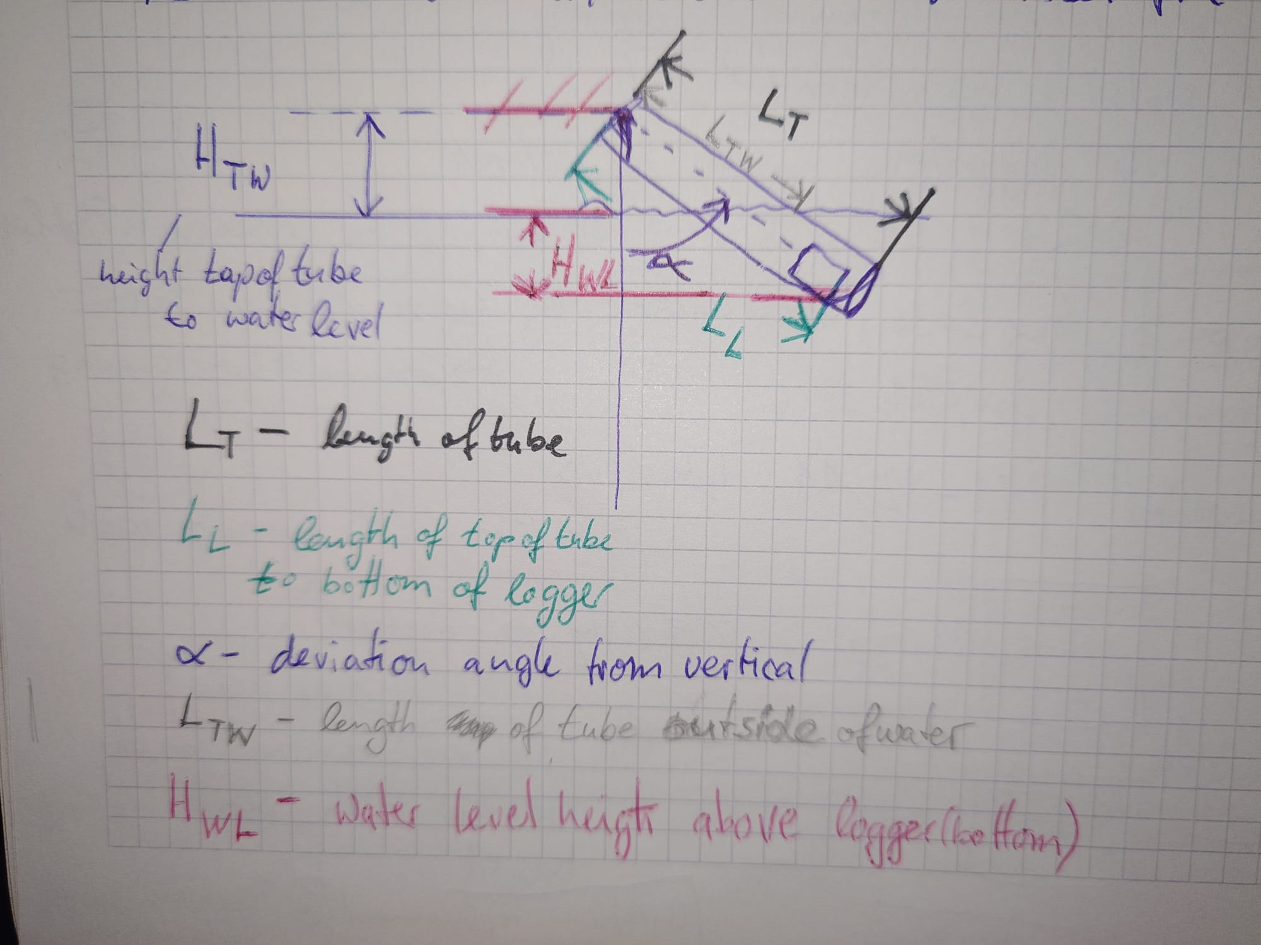 |  |  |  | Abbreviations:
 |  |  |  | LT - (length of tube)[cm] |  |  |  |  |  |  |  | uncertain
 |  |  |  | LL -(length top of tube to bottom of logger) [cm]
 |  |  |  | LTW - (length of tube outside of water) [cm]
 |  |  |  | alpha - (angle deviation from vertical) [degree]
 |  |  |  | HWL - (height of water level above bottom of logger) [cm]

 | place | location | start | end | date | time (timezone) | LT | LL | LTW | alpha | HTW | HWL | HWL_UC | bed_change | comment
 | G354 | water-old | 2019 | 2021 | 2019-08-24 | 07:00 (UTC+6) |  |  |  |  |  | 30 | 20
 | G354 | water-old | 2020
 | G354 | water-old | 2021
 | G354 | water-old | 2022 | 2023
 | G354 | water-old | 2023 | 2024
 | G354 | water-new | 2023 | 2024 | 2023-07-13 | 09:07 (UTC+6) |  |  |  |  |  | 25.4 | 10
 | G354 | water-new | 2024 | 2025 | 2024-08-20 | 09:53 (UTC+6) | 150 | 141 | 66 |  | 46 | 58 | 5
 | G354 | water-new | 2025

 | BS | water-old | 2021 | 2022 | 2021-08-02 | 06:47 (UTC+6) |  |  |  |  |  | 15 | 10
 | BS | water-old | 2022 | 2023
 | BS | water-old | 2023 | 2024
 | BS | water-old | 2024 |  | 2024-08-18 | 14:12 (UTC+6) |  |  |  |  |  | 8 | 30 | yes | burried under newly formed sediment deposit after river channel reorganization
 | BS | water-new1 | 2024 | 2025 | 2024-08-19 | 07:11 (UTC+6) |  |  |  |  |  | 18.5 | 4 | yes
 | BS | water-new1 | 2025 |  | 2025-08-11 | 13:51 (UTC+6) |  |  |  |  |  |  |  | yes | out of the water or buried; difficult to tell from photo
 | BS | water-new2 | 2025 |  | 2025-08-11 | 15:47 (UTC+6) |  |  |  |  |  | 25 | 5 | yes

 | Arabel | water | 2023 | 2024 | 2023-07-12 | 10:14 (UTC+6) |  |  |  |  |  | 95 | 15
 | Arabel | water | 2024 | 2025 | 2024-08-21 | 07:36 (UTC+6) |  |  |  |  |  | 110 | 5
 | Arabel | water | 2025 |  | 2025-08-06 | 10:12 (UTC+6) |  |  |  |  |  | 129 | 5

